Clients Requirement
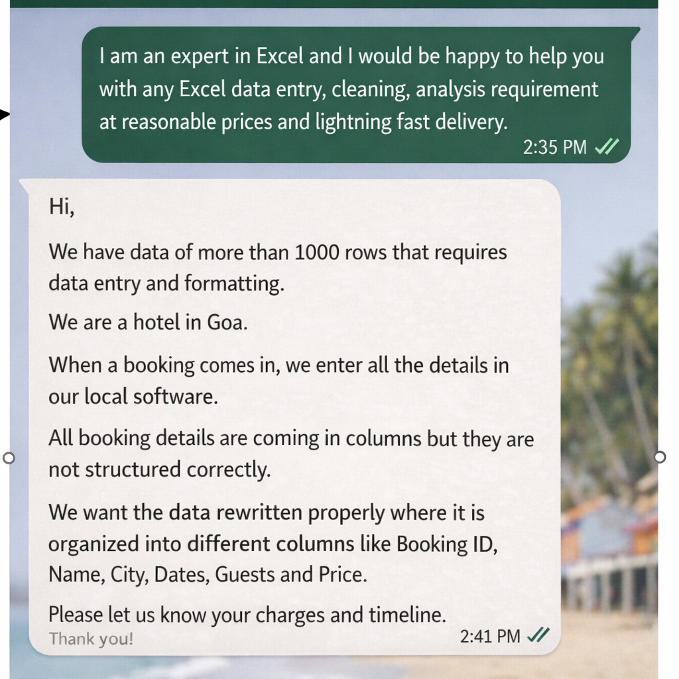

Clients's Requirement

